Charts
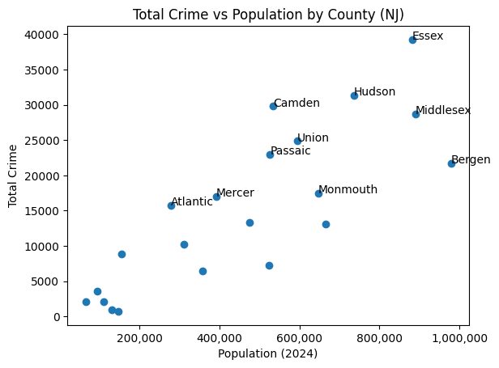
Crimes in NJ (categorized by FBI)
Number Of Times Crime Was Reported

Arrests By Race in NJ

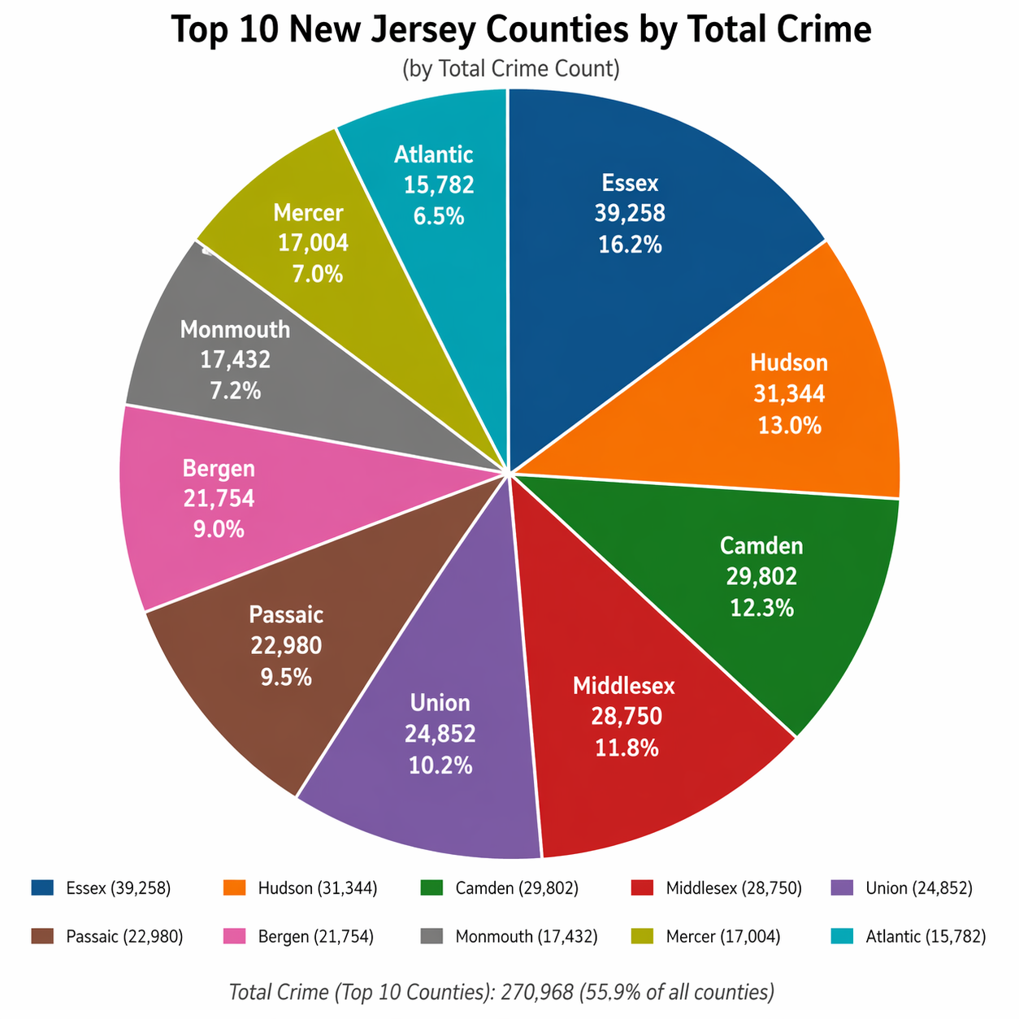

Crimes committed in NJ according to NJ police Key left to right(murder, rape, robbery, assault, burglary, larceny, auto theft

